英文
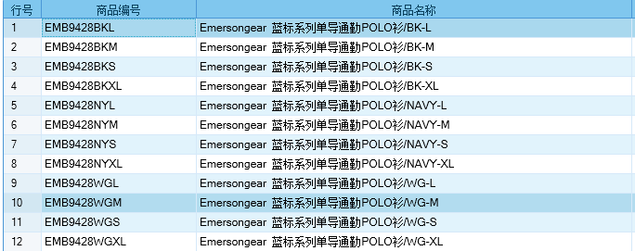
Primitive Types
Brand: | Emersongear BlueLabel | 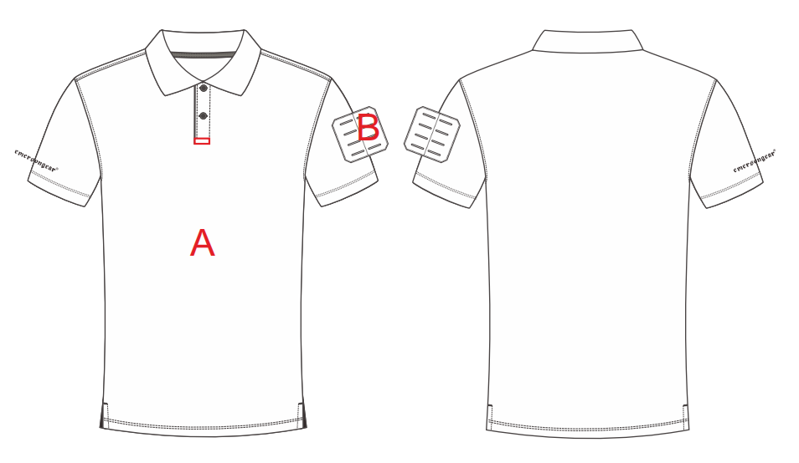
Name: | Emersongear Blue Label One-way Dry Polo
Model No.: | EMB9428
Material: | 50% polyester +50% polypropylene
Size: | S/M/L/XL
Color: | BK/NAVY/WG
Function: | Elastic Fabric/Sports Stitching / One-way Dry/ Quick-Dry / Breathable/ Lightweight / Hygroscopic/Sweat Releasing
Scene: | Shooting/Outdoors/Street/City/Fitness/Business trip/Commute/Walking/Camping
Packing | Transparent plastic bag
Gross weight | 0.281
Net weight | 0.267
Size chart（cm）：
Size chart(unit：inch)
Size Name | S | S | M | M | L | L | XL | XL | XXL | XXL
 | inch | cm | inch | cm | 34 | cm | 36 | cm | 38 | cm
Garment length | 26.75 | 67.945 | 27.5 | 69.85 | 28.25 | 71.755 | 29 | 73.66 | 29.75 | 75.565
Collar | 17.375 | 44.1325 | 18 | 45.72 | 18.625 | 47.3075 | 19.25 | 48.895 | 19.875 | 50.4825
Across shoulder | 17.5 | 44.45 | 18 | 45.72 | 18.5 | 46.99 | 19 | 48.26 | 19.5 | 49.53
Chest circumference | 39.5 | 100.33 | 41.5 | 105.41 | 43.5 | 110.49 | 45.5 | 115.57 | 47.5 | 120.65
Hem | 40 | 101.6 | 42 | 106.68 | 44 | 111.76 | 46 | 116.84 | 48 | 121.92
Sleeve length | 8 | 20.32 | 8.25 | 20.955 | 8.5 | 21.59 | 8.75 | 22.225 | 9 | 22.86
Sleeve opening | 12.75 | 32.385 | 13.25 | 33.655 | 13.75 | 34.925 | 14.25 | 36.195 | 14.75 | 37.465
Height（CM) | 166-170 | 166-170 | 171-175 | 171-175 | 176-180 | 176-180 | 181-186 | 181-186 | 186-190 | 186-190
Weight（kg) | 61-65 | 61-65 | 66-70 | 66-70 | 71-75 | 71-75 | 76-80 | 76-80 | 81-86 | 81-86
Key words
One-way Dry：The product material is made of scientific and technological one-way dry, which can quickly discharge the sweat on the skin surface , and keep the body dry and comfortable. Ergonomic cutting：In terms of version, it combines the design of human body structure. The tailoring is more tailored to the limbs. At the same time, it achieves zero restraint during movement, and can give consideration to both static and movement. Front middle mount system：The front middle part is equipped with a 1-inch hanging loop. If necessary, sunglasses and tactical pens can be mounted for easy access. MOLLE magic hair on left arm：The left arm magic hair can be pasted with a badge according to your preference. The magic hair is processed by laser MOLLE. It can also be used to mount tactical pens, tactical daggers and other items, which reflects the beauty and has certain functionality.

Product description
Emersongeer blue label series single guide commuting polo shirt can be used for both commuting and tactics. The main material of the product has the function of "one-way moisture conduction", which can quickly discharge the sweat on the skin surface through the moisture conduction line and keep the body dry and comfortable. In summer, the clothing is full of tactical sense. In terms of version, it is designed in combination with the human body structure, and the tailoring is more tailored to the body. At the same time, it has zero sense of restraint during exercise, and can give consideration to both static and sports. It can show the shoulders, highlight the muscle characteristics, and be more stylish. MOLLE magic wool with laser openings spliced at both shoulders is convenient for mounting tactical gadgets. Any morale armband is pasted on the magic wool. Note: there is a blank space on the left chest of this style. Ready to wear clothes can be hot stamped with a logo, and orders can be made (work clothes / team building clothes / T-shirts, etc.).

