Sheet1
Basic Info
Brand: | Emersongear BlueLabel |  |  | 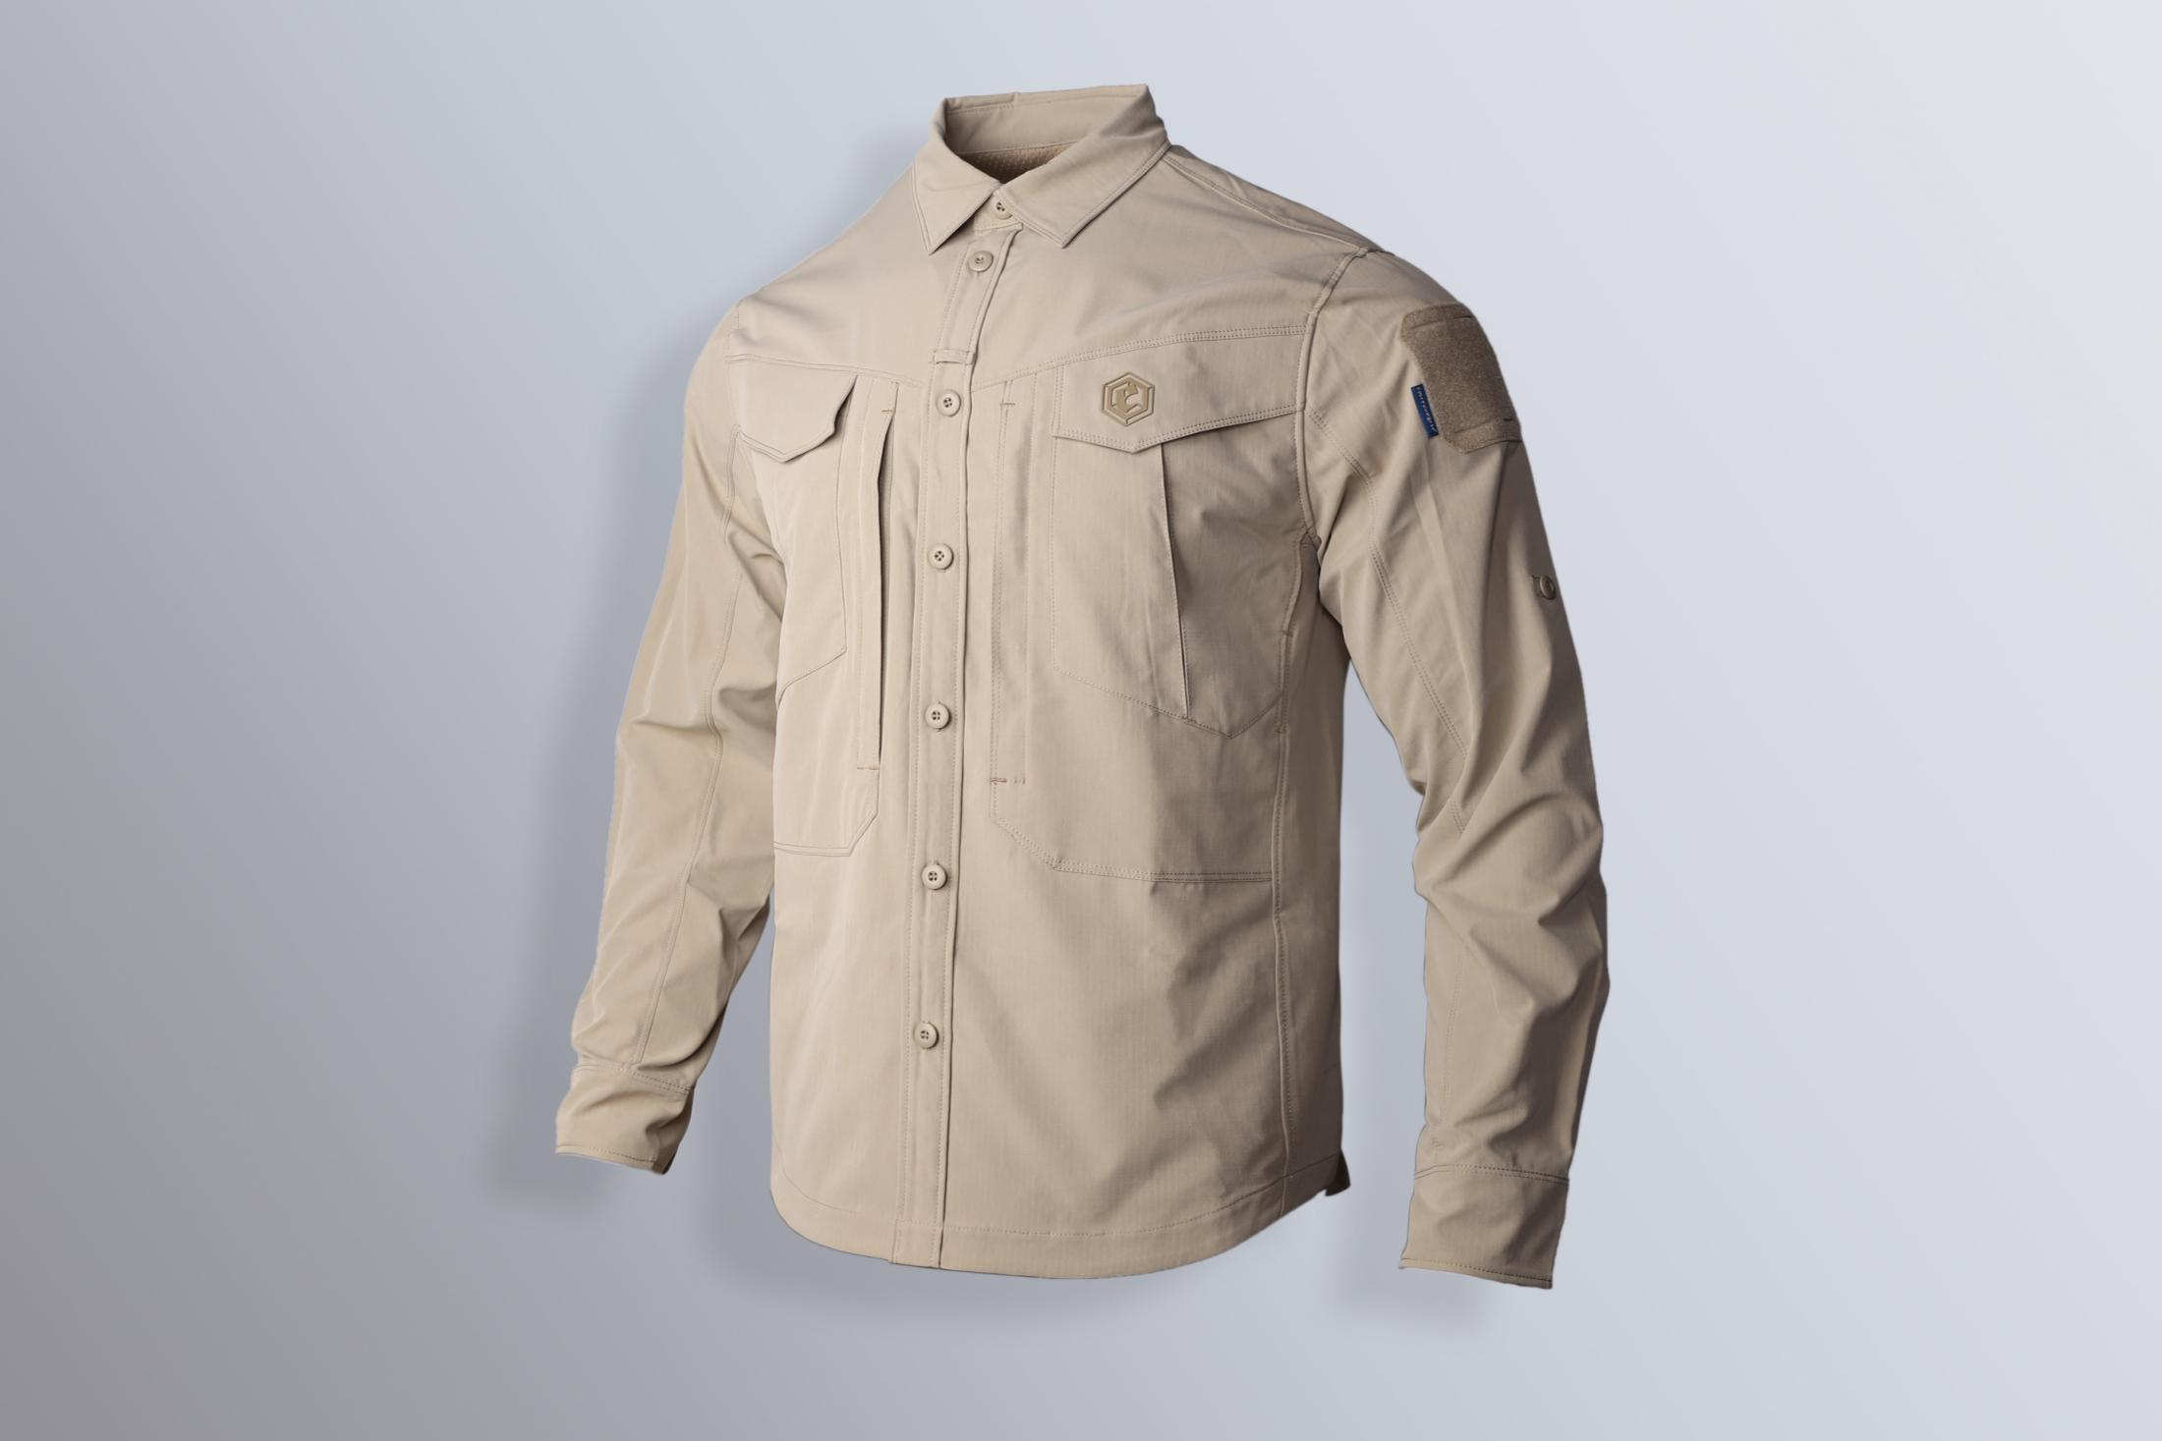
Product name: | Emersongear Blue Label “Persecutor”Tactical Shirt
Model number: | EMB9604
Main material: | 100% Polyester
Suitable temperature: | 15℃-25℃
size: | S / M / L / XL / 2XL / 3XL / 4XL
color: | CB / SM / RG
Functions: | Sports cutting / anti-bacterial & deodorization / soft and comfortable / breathable / water repellent / stretchable
Scenes: | Shooting / outdoor / mountaineering / city / business travel / commute / hiking / camping / cosplay
Package: | Plastic Bag
Gross weight: | 0.945kg
Net weight: | 0.998kg
SIZE CHART
SIZE Spec. | S | S | M | M | L | L | XL | XL | XXL | XXL | 3XL | 3XL | 4XL | XXL
 | inch | cm | inch | cm | inch | cm | inch | cm | inch | cm | inch | cm | inch | cm
Center Back | 30.375 | 77.15 | 31 | 78.74 | 31.625 | 80.33 | 32.25 | 81.92 | 32.875 | 83.50 | 33.5 | 85.09 | 34.125 | 86.68
Collar (all-round) | 16.625 | 42.23 | 17 | 43.18 | 17.375 | 44.13 | 17.75 | 45.09 | 18.125 | 46.04 | 18.5 | 46.99 | 18.875 | 47.94
Shoulder width | 19 | 48.26 | 19.5 | 49.53 | 20 | 50.80 | 20.5 | 52.07 | 21 | 53.34 | 21.5 | 54.61 | 22 | 55.88
Chest(all-round) | 46 | 116.84 | 48 | 121.92 | 50 | 127.00 | 52 | 132.08 | 54 | 137.16 | 56 | 142.24 | 58 | 147.32
Hem (all-round) | 46 | 116.84 | 48 | 121.92 | 50 | 127.00 | 52 | 132.08 | 54 | 137.16 | 56 | 142.24 | 58 | 147.32
Sleeve | 26 | 66.04 | 26.5 | 67.31 | 27 | 68.58 | 27.5 | 69.85 | 28 | 71.12 | 28.5 | 72.39 | 29 | 73.66
Sleeve Open (all-round) | 9.5 | 24.13 | 10 | 25.40 | 10.5 | 26.67 | 11 | 27.94 | 11.5 | 29.21 | 12 | 30.48 | 12.5 | 31.75
Fits tall（cm） | 166-170 |  | 171-175 |  | 176-180 |  | 181-185 |  | 186-190 |  | 191-195 |  | 196-200
Fits weight (kg) | 61-65 |  | 66-70 |  | 71-75 |  | 76-80 |  | 81-85 |  | 86-90 |  | 91-95
Features
1. Function fabric: ① Antibacterial deodorization technology: inhibit bacterial mites on the skin. ② Water repellent process: The surface is splashed with water-repellent coating to stop small rain and humidity. ③ Mechanical elasticity: Mechanical elastic rip-stop cloth, scratch-resistant, abrasion-resistant but maintaining the comfort of wearing
2. Breathable design: Breathable design at the armpit keep the air circulation during training.
3. Glasses hanging design: 1 inch loop at middle front is designed for hanging glasses.
4.Back hem open design: Allow user to squat freely, and it is convenient for the user to reach back pockets on the pants
5.Sleeve fixing buckle design: It allows users to fix the position of the sleeve after rolling up.
6.Cloth hanging loop：Cloth hanging loop is designed for user to hang their shirt without hangers in the wild to avoid wrinkles.
7. Double-layer chest pocket design: It increase the pocket capacity for better loading, and it looks more tactical style.
8. Suitable for different seasons: This shirt can be used individually for spring and autumn, or users can roll up the sleeves for summer.

