Sheet1
Basic Info
Brand: | Emersongear BlueLabel |  |  | 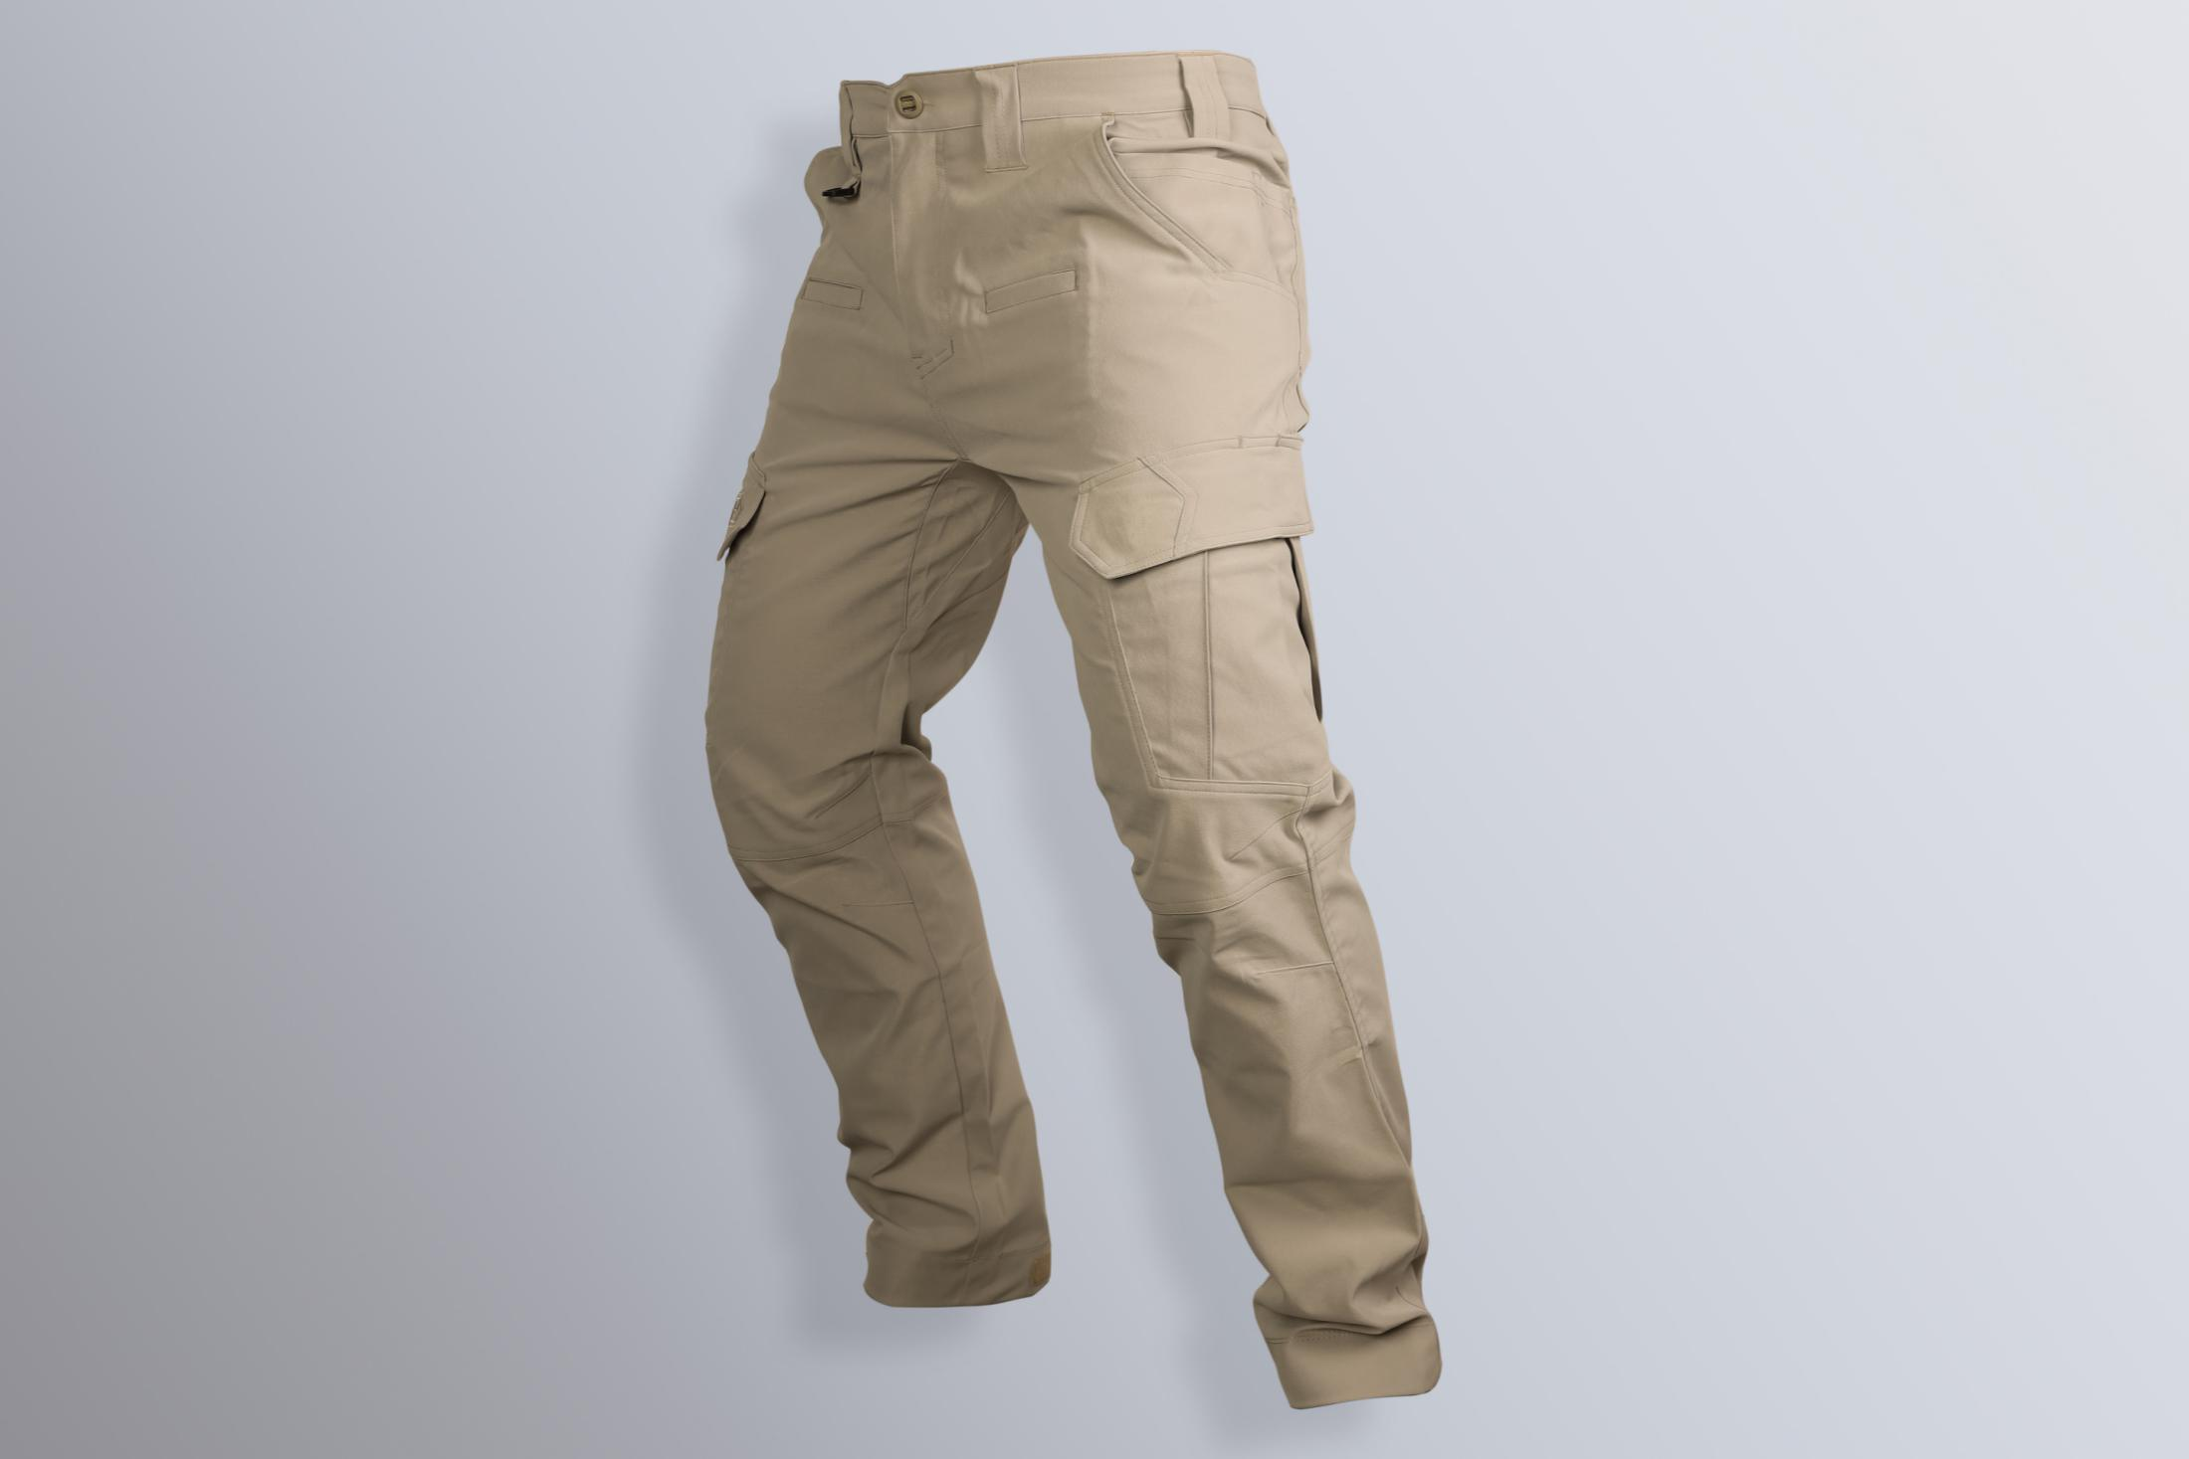
Product name: | EmersonGear Blue Label Ergonomic G2 Light Tactical Trousers
Model number: | EMB9605
Main material: | 100% Polyester
Suitable temperature: | 10℃-30℃
size: | 30W / 32W / 34W / 36W / 38W / 40W
color: | CB / RG
Functions: | Sports cutting / anti-bacterial & deodorization / soft and comfortable / breathable / water repellent / stretchable
Scenes: | Shooting / outdoor / mountaineering / city / business travel / commute / hiking / camping / cosplay
Package: | Plastic Bag
Gross weight: | 0.945kg
Net weight: | 0.998kg
SIZE CHART
SIZE Spec. | 30W | 30W | 32W | 32W | 34W | 34W | 36W | 36W | 38W | 38W | 40W | 40W
 | inch | cm | inch | cm | inch | cm | inch | cm | inch | cm | inch | cm | inch | cm
Waist | 30.5 | 77.47 | 32.5 | 82.55 | 34.5 | 87.63 | 36.5 | 92.71 | 38.5 | 97.79 | 40.5 | 102.87
Outseam | 40.25 | 102.24 | 41 | 104.14 | 41.75 | 106.05 | 42.5 | 107.95 | 43.25 | 109.86 | 44 | 111.76
Inseam | 30 | 76.20 | 30.5 | 77.47 | 31 | 78.74 | 31.5 | 80.01 | 32 | 81.28 | 32.5 | 82.55
Hip size | 40.5 | 102.87 | 42.5 | 107.95 | 44.5 | 113.03 | 46.5 | 118.11 | 48.5 | 123.19 | 50.5 | 128.27
Leg open size | 14.5 | 36.83 | 15.5 | 39.37 | 16.5 | 41.91 | 17.5 | 44.45 | 18.5 | 46.99 | 19.5 | 49.53
Fits tall（cm） | 166-170 |  | 171-175 |  | 176-180 |  | 181-185 |  | 186-190 |  | 191-195
Fits weight (kg) | 61-65 |  | 66-70 |  | 71-75 |  | 76-80 |  | 81-85 |  | 86-90
Features
1. Function fabric: ① Antibacterial deodorization technology: inhibit bacterial mites on the skin. ② Water repellent process: The surface is splashed with water-repellent coating to stop small rain and humidity. ③ Mechanical elasticity: Mechanical elastic rip-stop cloth, scratch-resistant, abrasion-resistant but maintaining the comfort of wearing
2. Ergonomic design: the regular fit cutting, reinforcement under the crotch, tear resistant, and it increases the comfort at the knee while bending.
3. Double stitching: The second generation features double stitching process, which strengthens and improves the durability of the pants.
4. Expandable pockets: both the back pockets and the side pockets come with expansion design. Pockets will be expanded naturally when large stuff are put in.
5. Adjustable leg opens: The leg opens size is adjustable to cope with different use environment.
6. Mechanical elastic fabric: The horizontal mechanical elastic fabric increases the horizontal extension of the pants, which is even compatible with the people with well-developed leg muscles.
7. Double-layer pockets design: It increase the pocket capacity for better loading.
8. Suitable for different seasons: 180g/m2 mechanical elastic fabric is moderately thick and suitable for all seasons.

