Sheet1
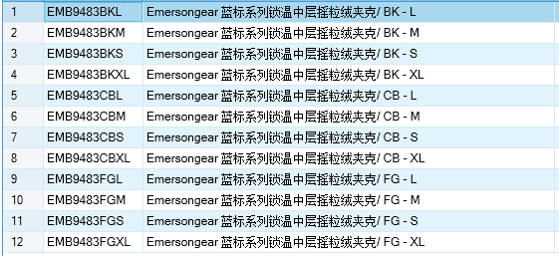
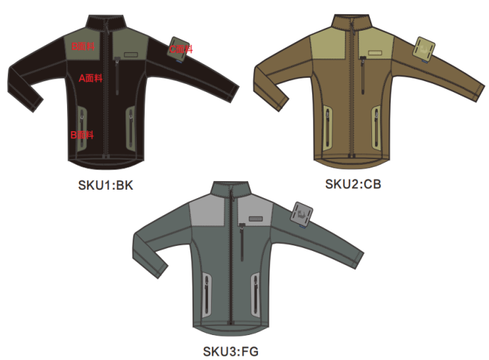
基本类型
品牌： | Emersongear BlueLabel
品名: | Emersongear蓝标系列锁温中层摇粒绒夹克
款号: | EMB9483
主料（成分）: | 摇粒绒 280G（双刷单摇）
辅料： | AP32(93.5%尼龙+6.5氨纶)
颜色: | BK/SG/TAN
尺寸: | S/M/L/XL/
功能: | 弹力 / 保暖 / 亲肤 / 柔软 / 肩部耐磨
场景（选填）: | 户外 / 通勤 / 战术 / 射击 / 徒步 / 野营 / 城市休闲
包装 | 透明塑料袋
毛重 | 0.511kg
净重 | 0.471Kg
原品编号 | 无
尺寸表（cm）：
成品部位尺寸表(单位：英寸)
尺码 名称 部位 | S | S | M | M | L | L | XL | XL | XXL | XXL
 | 英寸 | 厘米 | 英寸 | 厘米 | 英寸 | 厘米 | 英寸 | 厘米 | 英寸 | 厘米
衣长（后中） | 27 | 68.58 | 27.75 | 70.485 | 28.5 | 72.39 | 29.25 | 74.295 | 30 | 76.2
领围（全围） | 17.75 | 45.085 | 18.375 | 46.6725 | 19 | 48.26 | 19.625 | 49.8475 | 20.25 | 51.435
肩宽 | 17.625 | 44.7675 | 18.125 | 46.0375 | 18.625 | 47.3075 | 19.125 | 48.5775 | 19.625 | 49.8475
胸围（全围） | 40.25 | 102.235 | 42.25 | 107.315 | 44.25 | 112.395 | 46.25 | 117.475 | 48.25 | 122.555
脚围（全围） | 40.25 | 102.235 | 42.25 | 107.315 | 44.25 | 112.395 | 46.25 | 117.475 | 48.25 | 122.555
袖长(连肩） | 24.125 | 61.2775 | 24.5 | 62.23 | 24.875 | 63.1825 | 25.25 | 64.135 | 25.625 | 65.0875
袖口（全围） | 8.75 | 22.225 | 9.25 | 23.495 | 9.75 | 24.765 | 10.25 | 26.035 | 10.75 | 27.305
身高（单位：CM) | 156-160 |  | 161-165 |  | 166-170 |  | 171-175 |  | 176-180
体重（单位:kg) | 44-49 |  | 50-55 |  | 56-60 |  | 61-65 |  | 66-70
关键字
拼接设计：产品肩部采用拼接设计，强度大幅提高，背负耐磨。
前长后短：衣服下摆（脚口）采用了前长后短的贴合人体活动特性的设计，实现活动时舒适不干涉。

产品文案
Emersongear蓝标系列锁温中层摇粒绒夹克主料采用摇粒绒 280G（双刷单摇），确保了单穿的保暖性的前提下即使作为中层也不显累赘。产品肩部采用拼接设计，强度大幅提高，背负耐磨，避免了以往摇粒绒起球的老毛病。 衣服下摆（脚口）采用了前长后短的贴合人体活动特性的设计，实现活动时舒适不干涉。肩部一如既往地承继了战术元素设有魔术毛便于粘贴战术标识徽章。

