Sheet1
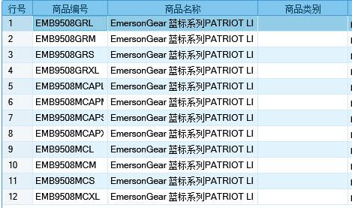
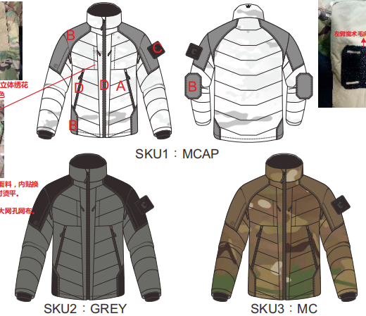
基本类型
品牌： | Emersongear BlueLabel
品名: | Emersongear 蓝标系列PATRIOT LIFES"锁温"战术保暖防风层
款号: | EMB9508
主料（成分）: | MC/MCAP:BALLOON Urethane40D超轻DWR面料 (MADE IN USA)(100%尼龙） GREY:尼龙85% 氨纶15%
拼接料： | 92%尼龙 15%氨纶
填充料： | INVISTA THERMOLITE中空高科技保暖纤维 (MADE IN USA)(100%polyester)(280g)
尺寸: | S/M/L/XL
功能: | 防溅水 / 运动剪裁 / 可调节 / 防寒 /透气 / 极致轻薄 / 速干
场景（选填）: | 射击 / 户外 / 战术 / 街头 / 城市 / 健身 / 商旅 / 通勤 / 徒步 / 露营
包装 | 透明塑料袋
毛重 | 0.639kg
净重 | 0.675kg
尺寸表（cm）：
成品部位尺寸表(单位：英寸)
尺码 名称 部位 | S | S | M | M | L | L | XL | XL
 | 英寸 | 厘米 | 英寸 | 厘米 | 英寸 | 厘米 | 英寸 | 厘米
衣长（后中） | 27 | 68.58 | 27.75 | 70.485 | 28.5 | 72.39 | 29.25 | 74.295
领围（全围） | 21 | 53.34 | 21.25 | 53.975 | 21.5 | 54.61 | 21.75 | 55.245
肩宽 | 18.5 | 46.99 | 19 | 48.26 | 19.5 | 49.53 | 20 | 50.8
胸围（全围） | 40.75 | 103.505 | 42.75 | 108.585 | 44.75 | 113.665 | 46.75 | 118.745
脚围（全围） | 40.75 | 103.505 | 42.75 | 108.585 | 44.75 | 113.665 | 46.75 | 118.745
袖长 | 25.25 | 64.135 | 25.75 | 65.405 | 26.25 | 66.675 | 26.75 | 67.945
袖口（全围） | 7.625 | 19.3675 | 8 | 20.32 | 8.375 | 21.2725 | 8.75 | 22.225
身高（单位：CM) | 166-170 |  | 171-175 |  | 171-175 |  | 176-180
体重（单位:kg) | 56-60 |  | 61-65 |  | 66-70 |  | 71-75
关键字
功能面料：​ BROOKWOOD ® BALLOON Urethane70D - Multicam面料也是极具科技性。 它拥有DWR以及URETHANE双科技涂层，其中DWR属于耳熟能详的防水工艺，在一般的细雨和溅水环境下表现卓越，转观URTHANE，它数据高科技化学复合涂层，性能方面具备高抗撕裂、抗冲击、防菌防霉等复合功能，现已小范围使用在专业户外运动衣物中。
保暖中层：INVISTA® THERMOLITE是美国英威达公司的专利高科技保暖系列， 是仿造北极熊的绒毛，生产出的一种中空纤维。每根纤维都含有更多空气，形成一道空气保护层，既可防止冷空气进入，又能排出湿气。使穿着者的身体保持温暖、干爽、舒适、轻盈。过水后蓬松度还原极高！ THERMOLITE纤维制作的面料其干燥速率是丝和棉面料的二倍左右，适合于制作登山服、滑雪衫、睡袋等。THERMOLITE保暖材料是一个全新的概念,通过特殊的截面设计，能够最大程度地阻断热量的对流。独特设计的功能纤维的“雪花”形状在填充料中形成空隙，使其具有卓越的轻质保暖效果；除了热量能够被最大程度地阻断以外，同时湿气还可以通过这样的截面尽快排出体外！ 此外，独特的纤维形状和排列，形成卓越的回复力，使之兼具出色的蓬松度和回弹性，并且透气性更佳，其诸多出色性能赋予了这款纤维品牌更多的价值，适用于追求极致轻便保暖感受，以及要求在极端环境下具有保护作用的消费者。
拼接设计：肩膀袖肘位置采用了弹力耐磨材料，兼顾背包及负重时的耐磨性需求。
可调节：袖口位置调节搭片实现防风功能。

产品文案
Emersongear 蓝标系列PATRIOT LIFES"锁温"战术保暖防风层定位保暖中外层，同时兼顾保暖及防风的主要功能；考虑到户外负重的实用性，肩膀袖肘位置采用了弹力耐磨材料，兼顾背包及负重时的耐磨性需求。袖口及衣领位置剪裁独具匠心地微调了剪裁，尽可能地体现更为人性化的设计。 产品主料使用美国进口BROOKWOOD ® BALLOON Urethane70D - Multicam面料也是极具科技性。 它拥有DWR以及URETHANE双科技涂层，其中DWR属于耳熟能详的防水工艺，在一般的细雨和溅水环境下表现卓越，转观URTHANE，它数据高科技化学复合涂层，性能方面具备高抗撕裂、抗冲击、防菌防霉等复合功能，现已小范围使用在专业户外运动衣物中。 中层保暖纤维INVISTA® THERMOLITE是美国英威达公司的专利高科技保暖系列， 是仿造北极熊的绒毛，生产出的一种中空纤维。每根纤维都含有更多空气，形成一道空气保护层，既可防止冷空气进入，又能排出湿气。使穿着者的身体保持温暖、干爽、舒适、轻盈。过水后蓬松度还原极高！ THERMOLITE纤维制作的面料其干燥速率是丝和棉面料的二倍左右，适合于制作登山服、滑雪衫、睡袋等。THERMOLITE保暖材料是一个全新的概念,通过特殊的截面设计，能够最大程度地阻断热量的对流。独特设计的功能纤维的“雪花”形状在填充料中形成空隙，使其具有卓越的轻质保暖效果；除了热量能够被最大程度地阻断以外，同时湿气还可以通过这样的截面尽快排出体外！ 此外，独特的纤维形状和排列，形成卓越的回复力，使之兼具出色的蓬松度和回弹性，并且透气性更佳，其诸多出色性能赋予了这款纤维品牌更多的价值，适用于追求极致轻便保暖感受，以及要求在极端环境下具有保护作用的消费者。

