英文
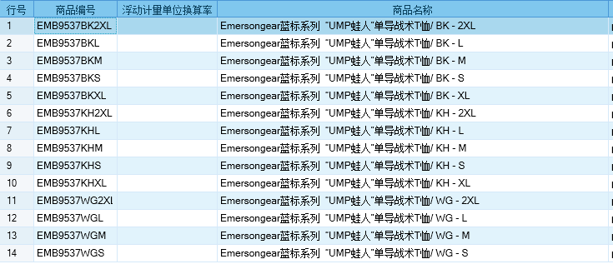
Primitive type
Brand: | Emersongear BlueLabel
Name: | BlueLabel UMP Frogmen Tactical T-Shirt
Model No.: | EMB9537
Materials: | 50% polyester +50% polypropylene
Splicing material: | 85% nylon +15% spandex
Size: | S/M/L/XL/2XL
Color: | BK/KH/WG
Function: | High elasticity / Sports Cutting / One-way Dry / Quick-dry/ Breathable / Lightweight / Hygroscopic/Ssweat Releasing
Scene: | Shooting / Outdoors / Street / City / Fitness / Business trip / Commute / Walking / Camping / Running
Packing | Transparent plastic bag
Gross weight | 0.248
Net weight | 0.238
Size chart（cm）：
Size chart(Unit：inch/cm)
 | S | S | M | M | L | L | XL | XL | 2XL | 2XL
 | inch | cm | inch | cm | inch | cm | inch | cm | inch | cm
Garment length | 27 | 68.58 | 27.5 | 69.85 | 28 | 71.12 | 28.5 | 72.39 | 29 | 73.66
Collar | 17.625 | 44.7675 | 18 | 45.72 | 18.375 | 46.6725 | 18.75 | 47.625 | 19.125 | 48.5775
Chest circumference | 37.75 | 95.885 | 39.75 | 100.965 | 41.75 | 106.045 | 43.75 | 111.125 | 45.75 | 116.205
Hem | 37 | 93.98 | 39 | 99.06 | 41 | 104.14 | 43 | 109.22 | 45 | 114.3
Sleeve length | 29 | 73.66 | 29.75 | 75.565 | 30.5 | 77.47 | 31.25 | 79.375 | 32 | 81.28
Sleeve opening | 8.5 | 21.59 | 9 | 22.86 | 9.5 | 24.13 | 10 | 25.4 | 10.5 | 26.67
Height（CM) | 166-170 |  | 171-175 |  | 171-175 |  | 176-180 |  | 181-185
Weight（kg) | 56-60 |  | 61-65 |  | 66-70 |  | 71-75 |  | 76-80
Key words
Tactical splicing: the product design adopts the elements of the battle frog suit. The shoulder position splicing makes the whole simple and capable, and increases the abrasion resistance when carrying. 报错 笔记
One-way Dry: the main material of the product has the function of "One-way Dry", which can quickly discharge the sweat on the skin surface through the moisture guide line, and keep the body dry and comfortable
Ergonomic tailoring: in terms of version, it is combined with the design of human body structure. The tailoring is more tailored to the limbs. At the same time, it achieves zero binding during movement, and can give consideration to both static and movement
Multi purpose: the product has a wide range of uses. It can perform well in daily commuting, tactical shooting, outdoor hiking, fitness and mountain climbing

Product description
At the beginning of the design of BlueLabel UMP Frogmen Tactical T-Shirt, in order to make the tactical T-shirt more possible, we used single guide materials to make the main product have the function of "one-way dry", so that the sweat on the skin surface can be quickly discharged through the moisture guide line to keep the body dry and comfortable. In terms of version, it combines the design of human body structure. The tailoring is more tailored to the limbs. At the same time, it achieves zero restraint during movement, and can give consideration to both static and movement. The product has a wide range of uses. It can perform well in daily commuting, tactical shooting, outdoor hiking, fitness and mountain climbing.

