Sheet1
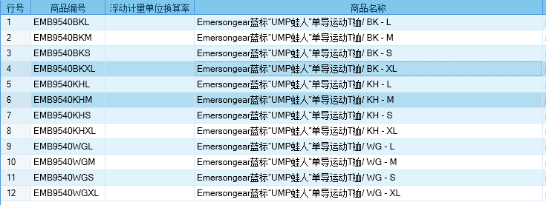
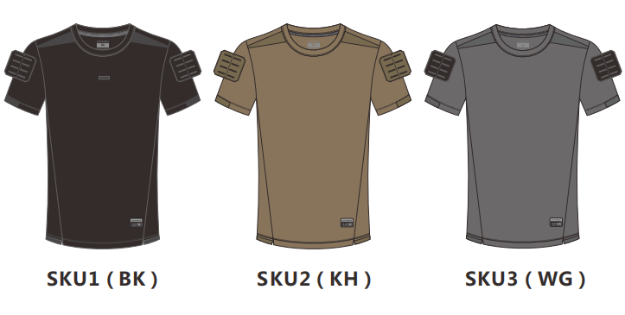
基本类型
品牌： | Emersongear BlueLabel
品名: | EMERSONGEAR蓝标系列“UMT蛙人”单导运动T裇
款号: | EMB9540
主料（成分）: | 50%涤纶+50%丙纶
拼接料： | 50%涤纶+50%丙纶
尺寸: | S/M/L/XL
颜色： | BK/KH/WG
功能: | 高弹力 / 运动剪裁 / 单向导湿 / 快干透气 / 极致轻薄 / 吸湿排汗
场景（选填）: | 射击 / 户外 / 街头 / 城市 / 健身 / 商旅 / 通勤 / 徒步 / 露营 / 跑步
包装 | 透明塑料袋
毛重 | 0.175KG
净重 | 0.165KG
尺寸表（cm）：
成品部位尺寸表(单位：英寸/厘米)
尺码 名称 部位 | S | S | M | M | L | L | XL | XL | XXL | XXL
 | 英寸 | 厘米 | 英寸 | 厘米 | 英寸 | 厘米 | 英寸 | 厘米 | 英寸 | 厘米
衣长（后中） | 26.375 | 66.9925 | 27 | 68.58 | 27.625 | 70.1675 | 28.25 | 71.755 | 29 | 73.66
领宽（内围直量缝到缝） | 8.75 | 22.225 | 9 | 22.86 | 9.25 | 23.495 | 9.5 | 24.13 | 9.75 | 24.765
肩宽 | 17.5 | 44.45 | 18 | 45.72 | 18.5 | 46.99 | 19 | 48.26 | 19.5 | 49.53
胸围（全围） | 38 | 96.52 | 40 | 101.6 | 42 | 106.68 | 44 | 111.76 | 46 | 116.84
脚围（全围） | 38 | 96.52 | 40 | 101.6 | 42 | 106.68 | 44 | 111.76 | 46 | 116.84
袖长 | 8.25 | 20.955 | 8.75 | 22.225 | 9.25 | 23.495 | 9.75 | 24.765 | 10.25 | 26.035
袖口（全围） | 13.5 | 34.29 | 14 | 35.56 | 14.5 | 36.83 | 15 | 38.1 | 15.5 | 39.37
身高(单位：CM) | 166-170 |  | 171-175 |  | 176-180 |  | 181-185 |  | 186-190
体重（单位:kg) | 61-65 |  | 66-70 |  | 71-75 |  | 76-80 |  | 81-85
关键字
单向导湿：产品主料拥有“单向导湿”功能，实现把皮肤表面的汗液通过导湿线快速排出，保持体感干爽舒适
人体工学剪裁：版型方面结合人体结构设计，剪裁更为迎合肢体，同时又做到运动时零束缚感，在静态和运动中都能兼顾
战术元素：产品使用了材料的正反拼接设计，双肩部分拼接激光开口的MOLLE魔术毛，方便挂载战术小配件

产品文案
EMERSONGEAR蓝标系列“UMT蛙人”单导运动T裇定位体能T恤，产品主料拥有“单向导湿”功能，实现把皮肤表面的汗液通过导湿线快速排出，保持体感干爽舒适。在夏天穿着也是战术感满满的，版型方面结合人体结构设计，剪裁更为迎合肢体，同时又做到运动时零束缚感，在静态和运动中都能兼顾。很能显示肩膀，突出肌肉特征，更为型格。细节设计使用了材料的正反拼接设计，双肩部分拼接激光开口的MOLLE魔术毛，方便挂载战术小配件，魔术毛上粘贴任何士气臂章。

