Sheet1
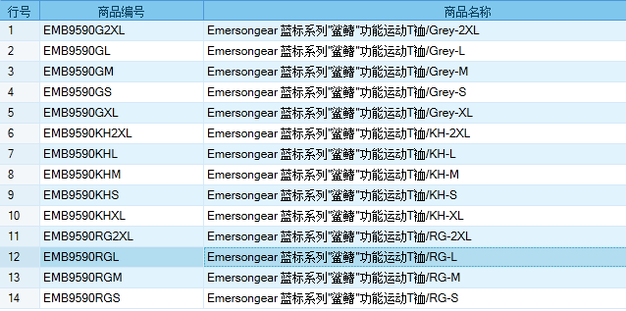
基本类型
品牌： | Emersongear BlueLabel |  |  | 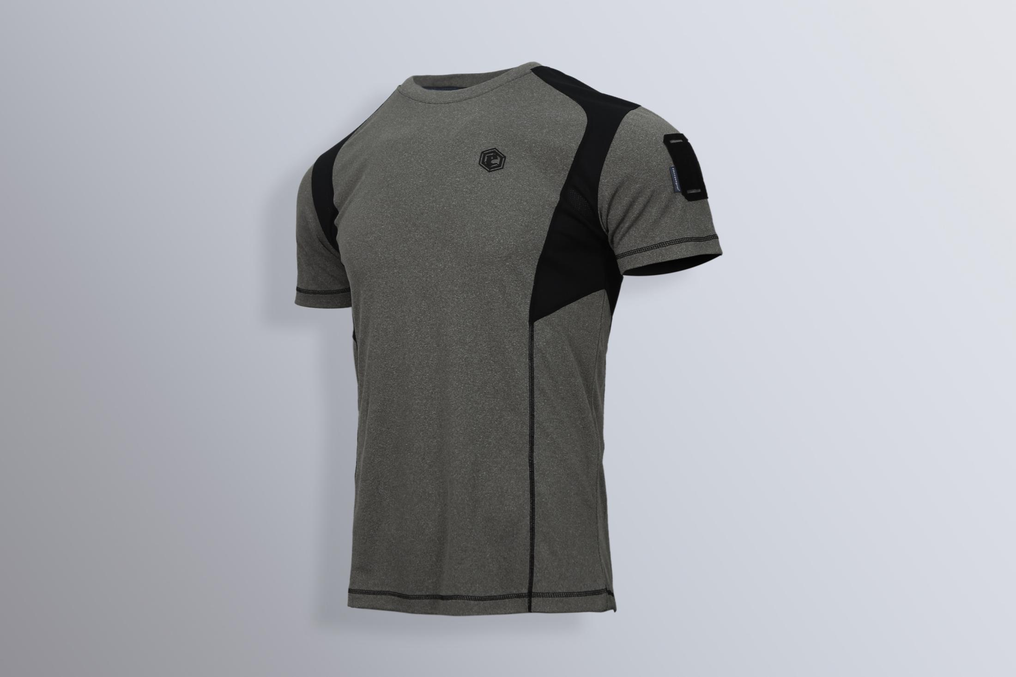
品名: | Emersongear 蓝标系列"鲨鳍"功能运动T裇
款号: | EMB9590
材料（成分）: | 主料：60%涤纶+40%丙纶 拼接料：100%涤纶
尺寸: | S / M / L / XL / 2XL
颜色： | RG / KH / Grey
功能: | 高弹力 / 运动剪裁 / 单向导湿 / 快干透气 / 极致轻薄 / 吸湿排汗
场景（选填）: | 射击 / 户外 / 街头 / 城市 / 健身 / 商旅 / 通勤 / 徒步 / 露营 / 跑步
包装 | 透明塑料袋
毛重 | 0.190kg
净重 | 0.173kg
成品部位尺寸表(单位：英寸/厘米)
尺码 名称 | S | S | M | M | L | L | XL | XL | XXL | XXL
 | 英寸 | 厘米 | 英寸 | 厘米 | 英寸 | 厘米 | 英寸 | 厘米 | 英寸 | 厘米
衣长（后中） | 27.375 | 69.53 | 28 | 71.12 | 28.625 | 72.71 | 29.25 | 74.30 | 29.875 | 75.88
领围（全围） | 16.625 | 42.23 | 17 | 43.18 | 17.375 | 44.13 | 17.75 | 45.09 | 18.125 | 46.04
肩宽 | 17.5 | 44.45 | 18 | 45.72 | 18.5 | 46.99 | 19 | 48.26 | 19.5 | 49.53
胸围（全围） | 38.5 | 97.79 | 40.5 | 102.87 | 42.5 | 107.95 | 44.5 | 113.03 | 46.5 | 118.11
脚围（全围） | 38.5 | 97.79 | 40.5 | 102.87 | 42.5 | 107.95 | 44.5 | 113.03 | 46.5 | 118.11
袖长 | 8 | 20.32 | 8.5 | 21.59 | 9 | 22.86 | 9.5 | 24.13 | 10 | 25.40
袖口（全围） | 12.75 | 32.39 | 13.25 | 33.66 | 13.75 | 34.93 | 14.25 | 36.20 | 14.75 | 37.47
体重（单位:KG | 166-170 |  | 171-175 |  | 176-180 |  | 181-185 |  | 186-190
身高(单位：CM) | 61-65 |  | 66-70 |  | 71-75 |  | 76-80 |  | 81-85
产品卖点
1.功能面料： 产品采用丙涤混纺单向导湿科技面料，内里丙纶拒水亲肤材质，外层透湿阳离子涤纶材质，汗湿衣服不贴身，运动时保持体肤干爽。
2.肩部链接腋下到后背下腰处拼接涤纶方格透气网布（类似于流线型鱼鳃的透气系统），保持腋下处干爽透湿速干。
3.后背下摆中心热转印反光银竖格，为夜晚出行提供安全性。
4.整件衣服拼接采用高弹力四针六线工艺，配合高弹力单导面料，穿着不束缚。
5.左臂四孔molle魔术毛设计，粘贴臂章的同时可挂载眼镜和战术笔等物件。

