Sheet1
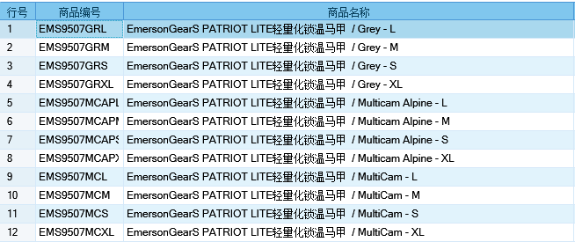
基本类型
品牌： | EmersongearS | 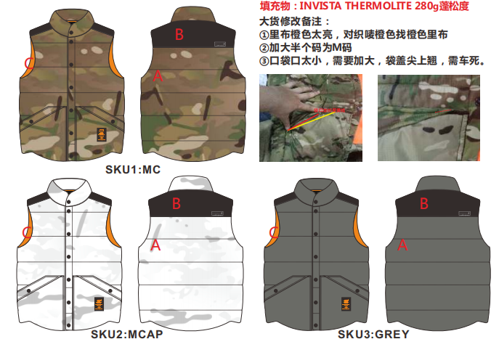
品名: | EmersongearS PATRIOT LITF轻量化锁温马甲
款号: | EMS9507
主料（成分）: | MC/MCAP:BALLOON Urethane40D超轻DWR面料 (MADE IN USA)(100%尼龙） GREY:尼龙85% 氨纶15%
拼接料： | 92%尼龙 15%氨纶
填充料： | INVISTA THERMOLITE中空高科技保暖纤维 (MADE IN USA)(100%polyester)(280g)
颜色: | MC/MCAP/GREY
尺寸: | S/M/L/XL
功能: | 防溅水 / 运动剪裁 / 可调节 / 防寒 /透气 / 极致轻薄 / 速干
场景（选填）: | 潮流 / 户外 / 战术 / 街头 / 城市 / 商旅 / 通勤 / 徒步 / 露营
包装 | 透明塑料袋
毛重 | 0.455kg
净重 | 0.428kg
尺寸表（cm）：
成品部位尺寸表(单位：英寸)
尺码 名称 部位 | S | S | M | M | L | L | XL | XL
 | 英寸 | 厘米 | 英寸 | 厘米 | 英寸 | 厘米 | 英寸 | 厘米
衣长（后中） | 26.5 | 67.31 | 27 | 68.58 | 27.5 | 69.85 | 28 | 71.12
领围（全围） | 20.125 | 51.1175 | 20.5 | 52.07 | 20.875 | 53.0225 | 21.25 | 53.975
肩宽 | 17 | 43.18 | 17.5 | 44.45 | 18 | 45.72 | 18.5 | 46.99
胸围（全围） | 42 | 106.68 | 44 | 111.76 | 46 | 116.84 | 48 | 121.92
脚围（全围） | 41 | 104.14 | 43 | 109.22 | 45 | 114.3 | 47 | 119.38
身高(单位：CM) | 166-170 |  | 171-175 |  | 171-175 |  | 176-180
体重（单位:kg) | 56-60 |  | 61-65 |  | 66-70 |  | 71-75
关键字
功能面料：​ BROOKWOOD ® BALLOON Urethane70D - Multicam面料也是极具科技性。 它拥有DWR以及URETHANE双科技涂层，其中DWR属于耳熟能详的防水工艺，在一般的细雨和溅水环境下表现卓越，转观URTHANE，它数据高科技化学复合涂层，性能方面具备高抗撕裂、抗冲击、防菌防霉等复合功能，现已小范围使用在专业户外运动衣物中。
保暖中层：INVISTA® THERMOLITE是美国英威达公司的专利高科技保暖系列， 是仿造北极熊的绒毛，生产出的一种中空纤维。每根纤维都含有更多空气，形成一道空气保护层，既可防止冷空气进入，又能排出湿气。使穿着者的身体保持温暖、干爽、舒适、轻盈。过水后蓬松度还原极高！ THERMOLITE纤维制作的面料其干燥速率是丝和棉面料的二倍左右，适合于制作登山服、滑雪衫、睡袋等。THERMOLITE保暖材料是一个全新的概念,通过特殊的截面设计，能够最大程度地阻断热量的对流。独特设计的功能纤维的“雪花”形状在填充料中形成空隙，使其具有卓越的轻质保暖效果；除了热量能够被最大程度地阻断以外，同时湿气还可以通过这样的截面尽快排出体外！ 此外，独特的纤维形状和排列，形成卓越的回复力，使之兼具出色的蓬松度和回弹性，并且透气性更佳，其诸多出色性能赋予了这款纤维品牌更多的价值，适用于追求极致轻便保暖感受，以及要求在极端环境下具有保护作用的消费者。
拼接设计：肩膀位置采用拼色设计，让整体款式元素更为丰富。
产品文案
EmersongearS PATRIOT LITF轻量化锁温马甲可能是利用率最高的保暖款式了，它背心的设计决定了我们可以随心所欲地配搭其他不同的服装，款式百搭，略带复古的意思。 主料依然采用BROOKWOOD ® BALLOON Urethane70D - Multicam面料也是极具科技性。 它拥有DWR以及URETHANE双科技涂层，其中DWR属于耳熟能详的防水工艺，在一般的细雨和溅水环境下表现卓越，转观URTHANE，它数据高科技化学复合涂层，性能方面具备高抗撕裂、抗冲击、防菌防霉等复合功能，现已小范围使用在专业户外运动衣物中。 中层填充保暖材料为进口INVISTA® THERMOLITE是美国英威达公司的专利高科技保暖系列， 是仿造北极熊的绒毛，生产出的一种中空纤维。每根纤维都含有更多空气，形成一道空气保护层，既可防止冷空气进入，又能排出湿气。使穿着者的身体保持温暖、干爽、舒适、轻盈。过水后蓬松度还原极高！ THERMOLITE纤维制作的面料其干燥速率是丝和棉面料的二倍左右，适合于制作登山服、滑雪衫、睡袋等。THERMOLITE保暖材料是一个全新的概念,通过特殊的截面设计，能够最大程度地阻断热量的对流。独特设计的功能纤维的“雪花”形状在填充料中形成空隙，使其具有卓越的轻质保暖效果；除了热量能够被最大程度地阻断以外，同时湿气还可以通过这样的截面尽快排出体外！ 此外，独特的纤维形状和排列，形成卓越的回复力，使之兼具出色的蓬松度和回弹性，并且透气性更佳，其诸多出色性能赋予了这款纤维品牌更多的价值，适用于追求极致轻便保暖感受，以及要求在极端环境下具有保护作用的消费者。

